Product
PT. NUTRIFOOD INDONESIA |  |  | KODE FORM : F.Q.201


PENGEMBANGAN KONSEP AWAL PRODUK BARU
( PKP )
Tropicana Slim
Chocolate Bake (Cobak)
Author |  | : | Noviana
Last Updated On |  | : | 2020-07-17
 | Revision No | : | 0
Background
Idea | Tropicana Slim Sugar Free Chocolate Chips / Powder
Target market | MF 25+ Upper 1,2
Uniqueness of idea | weak - moderate - strong
Estimated potential market | niche - in between - mass
Reason(s) | Due to covid19, Baking is uptrending. Diabetes people will find it relevant to find sugar free ingredients to make healthier baking products
Market Analysis
Launch Deadline | 2021
Aisle Placement | Rak Chocolate Powder for Baking
Sales Forecast | Rp50,000,000

NF Selling Price | Rp.80,000 for chocolate chips 100 gram
Consumer Price Target | Rp.100,000 for chocolate chips 100 gram

Main Competitor | Hershey's Kitchen SF Chocolate
Competitive Analysis | TBN
Product Features
Product Form | Chocolate Chips
Product Packaging | Hershey for chips (kemasan bag/kantong yg berdesign)
Kategori Pangan (BPOM) | 05.1.4 Produk Kakao dan Cokelat (Chocochips)
Prefered Flavour | Chocolate
Product Benefits | Sugar Free

Mandatory Ingredients
Related Picture | see sheet reference

ATTENTION!
 | compulsory; filled by QBX (brand function) Managers
 | should only be filled with great certainty
 | should only be filled after discussion with QPA
Service Level Agreements | Lead Time QBX (brand function) |  | 5 workdays
 | Lead Time QPA (product development function) |  | [1 (benefits) + 2 (COGS)] = 2 workdays
 | Lead Time Revision |  | 2 workdays
Processes | After being filled. HOD approval request. Then, forward to RD as low priority project. Will be further prioritized in PV Cross Funct Mtg. Meanwhile, RD can prepare SLA projection to propose into PV's SLA for the project based on capacity and feasibility.

 |  |  | Revisi / Berlaku : 04 / 24.02.10
 |  |  | Lama Simpan : Selamanya

a. chocolate sugar free ya Nov (refer to Hershey, Tulip, buan choc powder).

Market
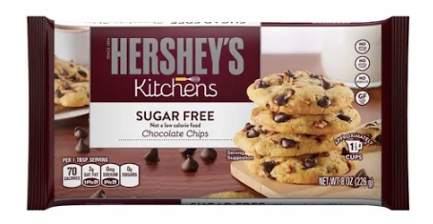
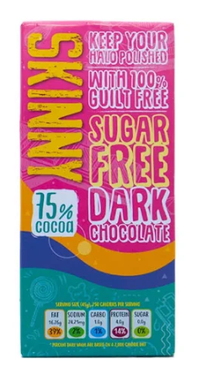

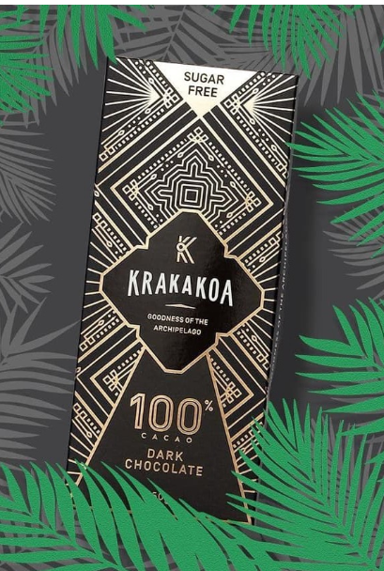
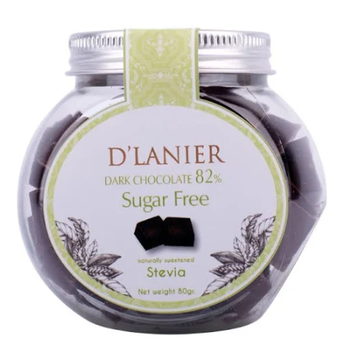
Type | Merk | Harga | gram | Harga/gram | Harga per 200 gram
Bar | Coklat Diet Kampung Coklat (90% Dark Chocolate) | Rp19,000 | 55 | 345.5 | Rp69,091
Bar | Cavalier No Sugar Diet Low Arb Belgian Chocolate Coklat Import | Rp91,000 | 200 | 455.0 | Rp91,000
Bar | D'Lanier Sugar Free Dark Chocolate 82% with Naturally sweetened from Stevia | Rp49,500 | 80 | 618.8 | Rp123,750
Bar | Couve 99.3% Healthy Chocolate Gluten Free No Sugar Dark Choco | Rp60,000 | 85 | 705.9 | Rp141,176
Bar | Krakakoa 100 PERCENT Dark Chocolate SUGAR FREE | Rp44,500 | 50 | 890.0 | Rp178,000
Bar | Skinny Dark Chocolate | Rp80,000 | 75 | 1066.7 | Rp213,333
Chip | Hershey's Kitchen SF Chocolate | Rp224,000 | 226 | 991.2 | Rp198,230
Powder | Bensdorp Dutch Cocoa Powder | Rp26,000 | 250 | 104.0 | Rp20,800
Powder | Coklat Bubuk Tulip Burgundy 100gr Pure Cocoa Powder Tulip | Rp20,000 | 100 | 200.0 | Rp40,000
Powder | Pure Cocoa | Rp21,000 | 100 | 210.0 | Rp42,000
Powder | Hershey's Cocoa Powder Unsweetened | Rp106,000 | 226 | 469.0 | Rp93,805
Powder | Low Carb Cocoa Powder Classic | Rp105,000 | 175 | 600.0 | Rp120,000

 |  | Chocolate Bar |  | Too many competitors
 |  | Chocolate Chip |  | Paling ideal, challenge kesulitan produksi

 |  | Sugar Free Chocolate Chip |  | HET Avg | Rp100,000 | per 100 gram
 |  |  |  | Price List | Rp76,923
 |  |  |  | Bulatkan | Rp80,000

Market Potency
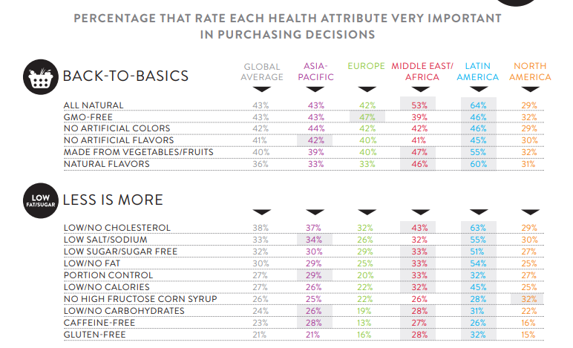
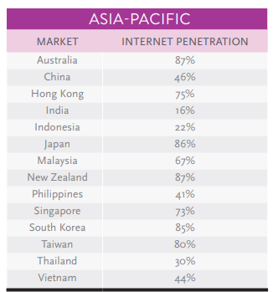
Jumlah penduduk Indonesia |  | 267,000,000
SES SU, U12 |  | 30% | Indonesian population
MF, 25-50 |  | 38% | Indonesian population
Suka Memasak |  | 30%
Suka Baking / Bikin Kue |  | 30%
Healthy Concern |  | 30%
Pakai Chocolate Chips |  | 5%
Choose Tropicana Slim |  | 5%

Target market TS |  | 6,849 | persons

Consume TS
- 1 pack per 3 bulan |  | 6,849 | portion

Price TS |  | IDR 80,000 | per portion

Sales potency Chocolate Chips |  | IDR 182,628,000 | per 3 months
 |  | IDR 60,876,000
 | Pembulatan | 50,000,000 | per month

 |  |  |  | 464982 | 883883
 |  |  |  | 524826
 |  |  |  | 509726 | 6947659
 |  |  |  | 451364
 |  |  |  | 380792 | 10177924
 |  |  |  | 323266 | 3230265
 |  |  |  | 323266 | 68%
 |  |  |  | 267752
 |  |  |  | 284080
 |  |  |  | 375893
 |  |  |  | 2916139
 |  |  |  | 31.9%

